Dpipeline - Flow
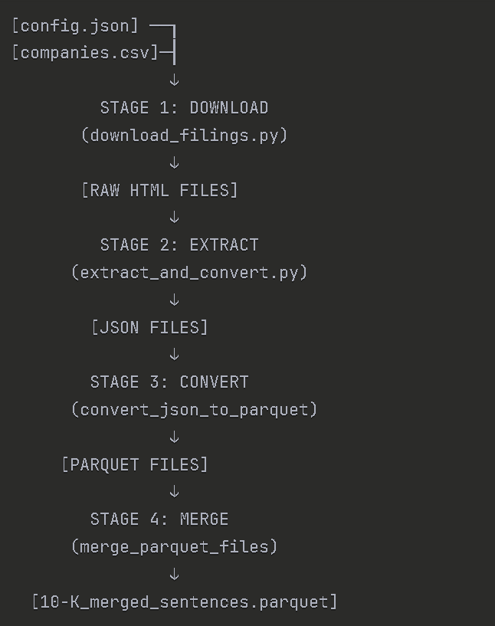
STAGE 1: ACQUISITION | STAGE 2: TRANSFORMATION
config.json ───► DOWNLOAD ───► RAW_FILINGS/*.htm companies.csv (download_filings.py) FILINGS_METADATA.csv INDICES/*.tsv │ ↓ RAW_FILINGS/*.htm ───► EXTRACT ───► EXTRACTED_FILINGS/*.json FILINGS_METADATA.csv (extract_items) │ ↓ *.json ───► CONVERT ───► PARQUET_FILES/*.parquet (json_to_parquet) │ ↓ *.parquet ───► MERGE ───► 10-K_merged_.parquet (merge_files) 10-K_merged.csv |  | companies.csv (CIKs) → Load Config → Download SEC Indices → Filter by CIK + Type → Download HTML Filings → RAW_FILINGS/*.htm RAW_FILINGS/*.htm → BeautifulSoup Parse → Extract Items 1-15 → Save JSON → EXTRACTED_FILINGS/*.json EXTRACTED_FILINGS/*.json → Read JSON → Filter by Year → NLTK Tokenize → Create DataFrame → PARQUET_FILES/*.parquet PARQUET_FILES/*.parquet → Polars Concat → Sort by docID/section → Save Final → 10-K_merged_.parquet

LINE 1: DOWNLOAD FUNCTIONS main() → load_config() → download_indices() → get_specific_indices() → crawl() → download() → save_metadata() LINE 2: EXTRACT/CONVERT FUNCTIONS main() → load_metadata() → process_filing() → extract_items() → parse_item() → convert_json_to_parquet() → merge_parquet_files() |  | data/ ├── RAW_FILINGS/10-K/ │ └── 1318605_10K_2024_xxx.htm # Raw HTML from SEC ├── EXTRACTED_FILINGS/10-K/ │ ├── 1318605_10K_2024_xxx.json # Extracted items │ └── 10-K_merged_sentences.parquet ⭐ FINAL OUTPUT └── PARQUET_FILES/10-K/ └── 1318605_10K_2024_xxx.parquet # Individual files before merge

